process chillers
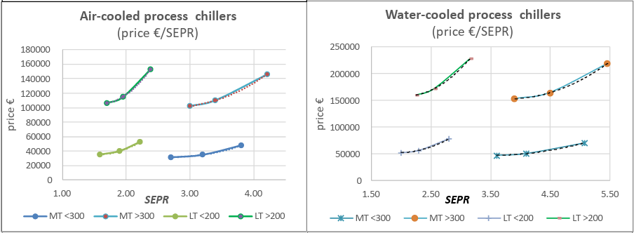
https://ecoprorefrigeration.eu/documents.htm#a20230206

 | Table 77: Price and efficiency relationship
 |  | Prices (EUR 2020) |  |  | Efficiency Metric (SEPR) |  |  | Elasticity
 |  | BC | Mid | BAT | BC | Mid | BAT | Mid | BAT
 | АС МТ <300 | 31831 | 35000 | 47588 | 2.70 | 3.20 | 3.81 | 0.53760799221 | 1.2041041072
 | АС МТ >300 | 102315 | 110000 | 146311 | 3.00 | 3.40 | 4.21 | 0.56333382202 | 1.0661290303
 | АС LT <200 | 35242 | 40000 | 52687 | 1.59 | 1.90 | 2.22 | 0.69246738221 | 1.2493007532
 | АС LT >200 | 106863 | 115000 | 152814 | 1.70 | 1.95 | 2.38 | 0.51778070988 | 1.0749978945
 | wc мт <300 | 47747 | 51000 | 71382 | 3.60 | 4.10 | 5.08 | 0.49053553103 | 1.2040660259
 | wc мт >300 | 153473 | 165000 | 219466 | 3.90 | 4.50 | 5.46 | 0.48819987881 | 1.0749936471
 | wc 1-т <200 | 52863 | 57000 | 79030 | 2.00 | 2.30 | 2.81 | 0.52172597091 | 1.2222135812
 | wc LT >200 | 160294 | 172000 | 229221 | 2.25 | 2.55 | 3.16 | 0.5477123286 | 1.0631957597
 | *200/300 = capacity in kW
 |  |  |  |  |  |  |  | 0.84489777592

indst heat pumps
Source #1 | (not used)
https://heatpumpingtechnologies.org/content/uploads/sites/70/2023/09/annex-58-task-1-technologies-task-report.pdf

 |  |  |  |  | Tlift | Tlift | Tlift | Tlift | Tlift | Tlift | Tlift | Tlift | Tlift | Tlift | Tlift | Tlift | Tlift | Tlift | Tlift | Tlift | Tlift | Tlift | Tlift | Tlift | Tlift | Tlift | Tlift | Tlift | Tlift
 |  | MW | Tmax | eur/kw | 149 | 60 | 60 | 55 | 50 | 100 | 109 | 115 | 135 | 47 | 110 | 147 | 148 | 200 | 96 | 106 | 96 | 103 | 133 | 71 | 45 | 90 | 104.5 | 130 | 65
Skala Fabrikk | SkaleUp | 0.3 | 115 | 600 |  |  |  |  |  | 1.95 | 2.3 | 2.5 | 2.8
ecop |  | 0.7 | 150 | 700
Mayekawa | HS comp | 0.75 | 120 | 450
COP vs Tlift
COP vs Upfront (EUR/kW)
Mayekawa | SFC comp | 1 | 145 | 720
GEA Refrigeration Netherlands |  | .1-1.2 | 130 | 250
Fenagy |  | 0.3-1.8 | 120 | 337.5 |  |  |  |  |  |  |  |  |  |  |  |  |  |  |  |  |  |  | ~50-70K lift |  |  | ~100K lift
Rank |  | 0.12-2 | 160 | 300 |  |  |  |  |  |  |  |  |  |  |  |  |  |  |  |  |  |  | 850 | 4.4 |  | 700 | 2.325
COMBITHERM GmbH |  | 0.3-3.3 | 120 | 300 |  |  |  |  |  |  |  |  |  |  |  |  |  |  |  |  |  |  | 700 | 3.5 |  | 600 | 1.95
Sustainable Process Heat |  | .3-5 | 165 | 575 |  |  |  |  |  |  |  |  |  |  |  |  |  |  |  |  |  |  | 525 | 4.1 |  | 525 | 2.6
Hybrid Energy |  | 0.5-5 | 188 | 340 |  |  |  |  |  |  |  |  |  |  |  |  |  |  |  |  |  |  | 300 | 3.4 |  | 400 | 3.15
Weel & Sandvig |  | 2.0-5 | 160 | 200 |  |  |  |  |  |  |  |  |  |  |  |  |  |  |  |  |  |  |  |  |  | 250 | 4.75
Olvondo |  | 5 | 200 | 1200 | 1.7
Heaten | HeatBooster | 1-6. | 200 | 300 |  | 3.4 | 3.3 | 3.9 | 4.6
enerin |  | 0.3-10 | 250 | 700 |  |  |  |  |  |  |  |  |  | 3.5 | 2.325 | 2.075 | 1.825 | 1.65
Enertime |  | 2-10. | 160 | 350
Spilling |  | 1-15. | 280 | 250 |  |  |  |  |  |  |  |  |  |  |  |  |  |  | 4.2 | 5.3
Epcon |  | .5-30 | 150 | 300
Turboden |  | 3-30. | 200 | 300-700
MAN Energy Solutions |  | 10.-50 | 150 | 400 |  |  |  |  |  |  |  |  |  |  |  |  |  |  |  |  | 3.25 | 3.05 | 2.85
Piller |  | 1-70. | 212 | 850 |  |  |  |  |  | *we find no correlation between higher upfront costs and higher COPs |  |  |  |  |  |  |  |  |  |  |  |  |  | 4.4
Siemens Energy |  | 8-80. | 160 | 525 |  |  |  |  |  | we hypothesize other factors (capacity, compressor type, refrigerant) contribute |  |  |  |  |  |  |  |  |  |  |  |  |  |  | 4.1 | 2.7 | 2.5 | 2.9
Qpinch |  | >2 | 230 | 1500 |  |  |  |  |  | more to capital investment given the industrial heat pump market is nascent |  |  |  |  |  |  |  |  |  |  |  |  |  |  |  |  |  |  | 0.45

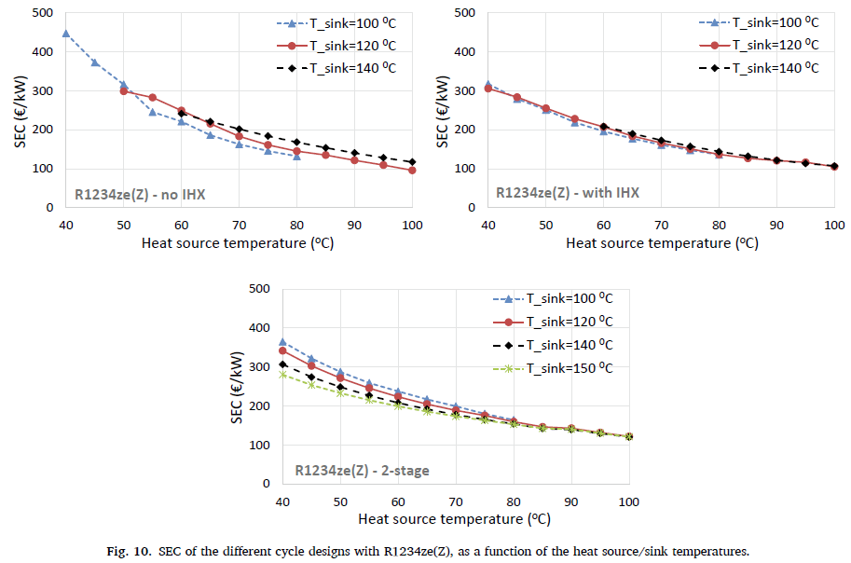
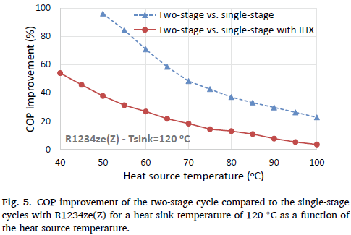
Source #2
https://doi.org/10.1016/j.enconman.2020.113488

 | Configuration effect on COP
 | For 80/120 T_source/sink
 |  | SEC | COP | COP improvement by switching to 2-stage compression cycle
 | single, no IHX | 144.2 | 2.8444 | 0.31975937464
 | single, IHX | 136.5 | 3.4495 | 1.2461223756
 | two-stage | 159.5 | 3.9083 |  | 0.78294087514

 | Pinch Point effect on COP (sc w/o IHX) |  |  |  | w/ IHX |  |  |  | 2-stage
 |  | evap |  |  |  | evap |  |  |  | evap
 | condensor | 3K | 5K |  | condensor | 3K | 5K |  | condensor | 3K | 5K
 | 3K | 3.587 | 3.085 |  | 3K | 3.982 | 3.602 |  | 3K | 4.347 | 4.058
 | 5K | 3.404 | 2.888 |  | 5K | 3.815 | 3.465 |  | 5K | 4.179 | 3.905

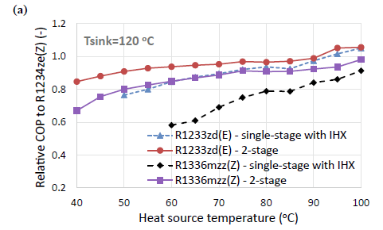
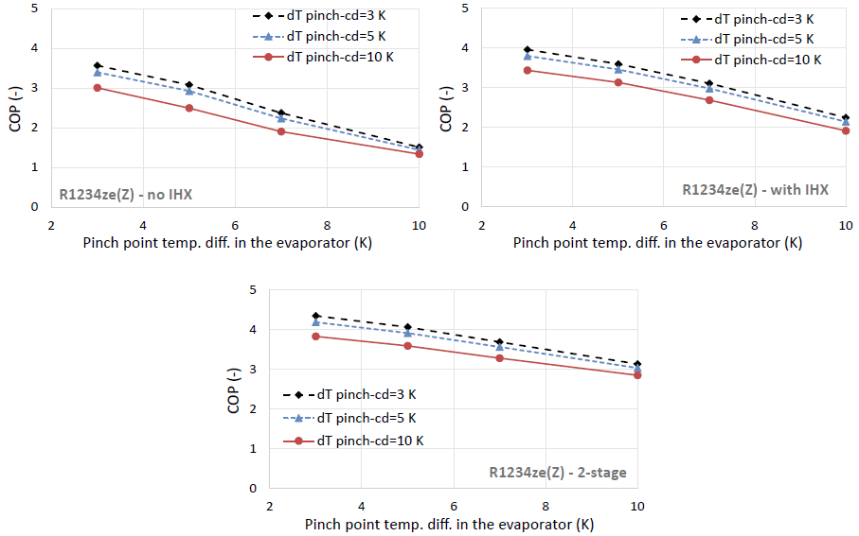
 | Pinch Point effect on SEC (sc w/o IHX) |  |  |  | w/ IHX |  |  |  | 2-stage
 |  | evap |  |  |  | evap |  |  |  | evap
 | condensor | 3K | 5K |  | condensor | 3K | 5K |  | condensor | 3K | 5K
 | 3K | 149.84 | 148.64 |  | 3K | 149.85 | 137.76 |  | 3K | 169.7
 | 5K | 138.97 | 142.6 |  | 5K | 137.76 | 130.514 |  | 5K |  | 158.79

 | Pinch Point e (sc w/o IHX) |  |  |  | w/ IHX |  |  |  | 2-stage
 | 0.20976791128 |  |  |  | 0.99293823211 |  |  |  | 0.60701632453
 | average e:
 | 0.60324082264

 | Varied refrigerant
 | we do not calculate elasticities for adjusting refrigerants as the gain in COP for switching to
 | R1233zd(E) is only at low temperature lifts; no gain is found at the 80/120C source/sink standard
 |  |  |  |  |  |  |  |  |  |  |  | 150
 | ε assumption: |  |  |  |  |  |  |  |  |  |  | 624
 | 0.6931

Source #3
https://doi.org/10.1016/j.enconman.2023.117194
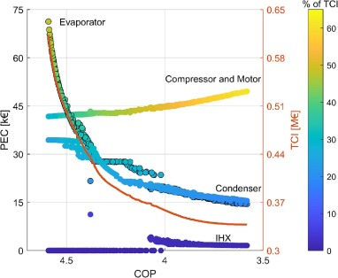
 | x | y |  | ε by step:
 | 4.5947521866 | 0.61180308422
 | 4.5510204082 | 0.54122182681 |  | 13.57143379
 | 4.5014577259 | 0.49928825623 |  | 7.6279680796
 | 4.4504373178 | 0.46981020166 |  | 5.4731220805
 | 4.4008746356 | 0.44365361803 |  | 5.2350542623
 | 4.3498542274 | 0.41791221827 |  | 5.2514334374
 | 4.3002915452 | 0.40005931198 |  | 3.8719312781
 | 4.250728863 | 0.39051008304 |  | 2.0972232149
 | 4.2011661808 | 0.38179122183 |  | 1.9357482934
 | 4.1516034985 | 0.37473309609 |  | 1.5777144666
 | 4.1005830904 | 0.36933570581 |  | 1.1745302714
 | 4.0510204082 | 0.36476868327 |  | 1.0233524629
 | 4 | 0.35895610913 |  | 1.2695307336
 | 3.9504373178 | 0.35314353499 |  | 1.3119208046
 | 3.8994169096 | 0.34774614472 |  | 1.1862527716
 | 3.8498542274 | 0.34442467378 |  | 0.74907565919
 | 3.8002915452 | 0.34193357058 |  | 0.55861435641
 | 3.7580174927 | 0.33985765125 |  | 0.54299813444
 | 3.6997084548 | 0.33861209964 |  | 0.23339464004
 | 3.6501457726 | 0.33819691578 |  | 0.09041203293
 | 3.5801749271 | 0.33778173191 |  | 0.062891425227
 |  |  |  | 2.1722720213 | average
 |  |  |  | 2.3251416141 | endpoints

Lighting
https://www.bulkofficesupply.com/Categories/Janitorial-and-Facility-Supplies/Lighting/Light-Bulbs.aspx?srsltid=AfmBOorWkgJMp4H4zdZKPjbhWJ39KPaQWfcg1JIX1YpF1EunQjEtuY1Z |  |  |  |  |  |  |  |  |  |  |  |  |  |  | lightstoreusa.com

 |  | incand | LED | LED | LED | LED | LED | LED | LED | fluorescent | fluorescent | fluorescent | CFL | CFL | HID | HID | HID | HID | HID
 |  | bulb | parabolic | reflector | parabolic | parabolic | bulb | tube | tube | twin tube | tube | tube | bulb | bulb | bulb | bulb | bulb | floodlight | floodlight
 |  | Satco A15 Appliance Light Bulb | Satco 6.5W PAR 20/FL 3000K LED Bulb | Satco 7.5W BR30 3000K LED Bulb | Satco 12W PAR 30/LN/FL 3000K LED Bulb | Satco 15W PAR38 3000K LED Bulb | Satco 10W A19 LED 5000K Light Bulbs | Satco 40W T8 4000K LED Tube Light | Satco 11 Watt LED T8 Bulb | Satco 13W GX23 Pin-Based 2700K Compact Fluorescent Bulb | Satco 54W T5 3500K Fluorescent Tube | Satco Flourescent Light Bulbs 32W 6/box | Satco 23W T2 2700K Spiral CFL Bulb | Satco 23W T2 2700K Spiral CFL Bulb | Plusrite 1035 | M47 BT37 Mogul | Plusrite 1056 | Plusrite 1061 | PLUSRITE Par 38
 | $ | 1.3 | 5.15 | 7.48 | 8.3 | 11.84 | 3.245 | 12.494 | 6.91 | 5.21 | 5.15225 | 4.8083333333 | 5.5233333333 | 5.5238888889 | 15.99 | 27.95 | 39.95 | 17 | 12 | $
 | W | 40 | 6.5 | 7.5 | 12 | 15 | 10 | 40 | 11 | 13 | 54 | 32 | 23 | 23 | 100 | 1000 | 1000 | 70 | 100
 | lm | 225 | 520 | 650 | 1000 | 1200 | 800 | 5500 | 1800 | 800 | 5000 | 3050 | 1600 | 1600 | 8500 | 110000
 | hr life | 2500 | 25000 | 25000 | 25000 | 25000 | 15000 | 50000 | 50000 | 12000 | 24000 | 24000 | 12000 | 12000 | 15000 | 10000 | 5000 | 6000
 | W equiv. incandesc. |  | 50 | 65 | 75 | 90 | 60 | 59 | ? |  |  |  | 100 | 100
 |  | 0.0325 | 0.79230769231 | 0.99733333333 | 0.69166666667 | 0.78933333333 | 0.3245 | 0.31235 | 0.62818181818 | 0.40076923077 | 0.095412037037 | 0.15026041667 | 0.24014492754 | 0.24016908213 | 0.1599 | 0.02795 | 0.03995 | 0.24285714286 | 0.12

 |  |  |  |  |  |  | https://www.mordorintelligence.com/industry-reports/industrial-lighting-market
 |  | $ | BTU/yr | lifetime | W |  | Industrial lighting market
 | incand | 1.30 | 377565 | 2500 | 40 |  | LED | 65% | 20026 | 89677 | 5.161884 | 9.5005714286
 | LED | 7.92 | 137542 | 30714 | 15 |  | Fluorescent | 14% | 2730 | 42519 | 0.69026154167 | 4.5045 |  | assumed lighting lifetime (IESD)
 | fluorescent | 5.06 | 311491 | 20000 | 33 |  | HID fixtures | 20% | 1805 | 859216 | 4.526889 | 91.027 |  | 9 | years
 | CFL | 5.52 | 217100 | 12000 | 23 |  | OLED | 1% | 338 | 1513 | 0.087087 | 0.16028571429
 | HID | 22.58 | 4285368 | 9000 | 454 |  |  |  | 24898 | 992925 | 10.5 | 105 |  | 2766 | hours/yr use
 |  |  |  |  |  |  |  |  | hour life | BTU/yr | $ | W
 |  |  |  |  |  |  |  |  |  |  |  |  |  | 3412 | BTU/kWh

 |  |  |  |  |  |  |  |  |  |  |  |  |  | 1.0540697874E-05 | $/(BTU/yr)
 | Lighting is generally electric. Other fuels can be used to power a generator to power lighting.
 | So we apply an efficiency loss for using a generator to power lighting.

 | 35% | generator efficiency
 | 3.6892442558E-06 | lightbulb contribution to cost

 | And must account for the cost of a generator:
 | Generac | Westinghouse Wgen 5300c | Westinghouse Wgen7500c | Westinghouse WGen9500c | WEN DF5600X | DuroMax XP13000HX | Firman Tri Fuel
$ | 3579 | 649 | 849 | 926 | 399.99 | 1299 | 999 | 1243 | avg $
W | 10000 | 5300 | 7500 | 9500 | 5600 | 13000 | 9000 | 8557 | avg watts
 | 0.3579 | 0.12245283019 | 0.1132 | 0.097473684211 | 0.071426785714 | 0.099923076923 | 0.111

 |  |  |  |  |  |  |  | 15 | $ | generator upfront cost per lightbulb powered
 |  |  |  |  |  |  |  | 5.3861403996E-06 |  | generator contribution to cost
 |  |  |  |  |  |  |  | 9.0753846553E-06 |  | total cost per BTU

 |  | home depot
 |  |  | Incandescent | Fluorescent | LED
 | round | 40 W | 1.3 | 2.99 | 3

 |  | 50 W | 1.565 | 3.5

 | tube | 5-5.5k lumens |  | 5.15225 | 12.494

 |  | fluorescent | fluorescent | fluorescent | fluorescent | LED | LED | LED | LED
 |  | 32-Watt 48 in. Alto Linear T8 Type A Fluorescent Tube Light Bulb Cool White | Philips 32W 48in T8 Long Life Cool White Fluorescent Tube (Case of 30) | 32-Watt 48 in. Linear F32T8/841 T8 Tube Fluorescent Light Bulb 4100K Cool White | F25T8/830 - 25 Watt 36 Inch T8 Flourescent Light Bulb | 25PK 4FT LED T8 Tube Light, Type A+B Double End or Single End Power | 25PK 4FT LED Tube Light, 2100 Lumens, 15W, CCT Selectable, 120-277V | 30PK 4FT LED T8 Tube Light, Type A+B Double End or Single End Power, Wattage and CCT Tunable, 120-277V | 25Pk 17 Watt 4' T8 LED Tube, 5000K, 120
 |  | 32 | 32 | 32 | 25 | 18 | 15 | 22 | 17
 |  | 2600 | 2800 | 2800 | 2225 | 2300 | 2100 | 2860 | 2500
 |  | 3.17 | 6.29 | 5.33 | 6.9 | 8.9996 | 14.58 | 7.4996666667 | 7.7596
 |  | Home Depot | blubs/com | home depot | goodbulb | warehouse-lighting | warehouse-lighting | warehouse-lighting | warehouse-lighting
 |  |  |  |  | 3'

 |  |  |  |  | fluoro | LED
 |  |  |  |  | 30.25 | 18 | wattage
 |  |  |  |  | 2606.25 | 2440 | lumens
 |  |  |  |  | 5.4225 | 9.7097166667 | price

 |  |  |  |  |  | 1.1617489485 | elasticity

mobile
https://digitalcommons.calpoly.edu/agb_fac/161/?utm_source=chatgpt.com

Table 5. Regression model comparison
 | Model 1: 1987-2021 | Model 2 | Model 3: Tier 4 only (2015-21)
Average hp.hr/gal | 17.67 | 17.64 | 18.37
tested tractors | 1440 | 1297 | 314
year coefficient | 0.097 | 0.105 | 0.141
avg %chg in hp.hr/gal per year | 0.55% | 0.60% | 0.77%

https://farmdocdaily.illinois.edu/2025/10/large-increase-in-machinery-costs-suggests-need-to-reconsider-machinery-purchase-decisions.html?utm_source=chatgpt.com
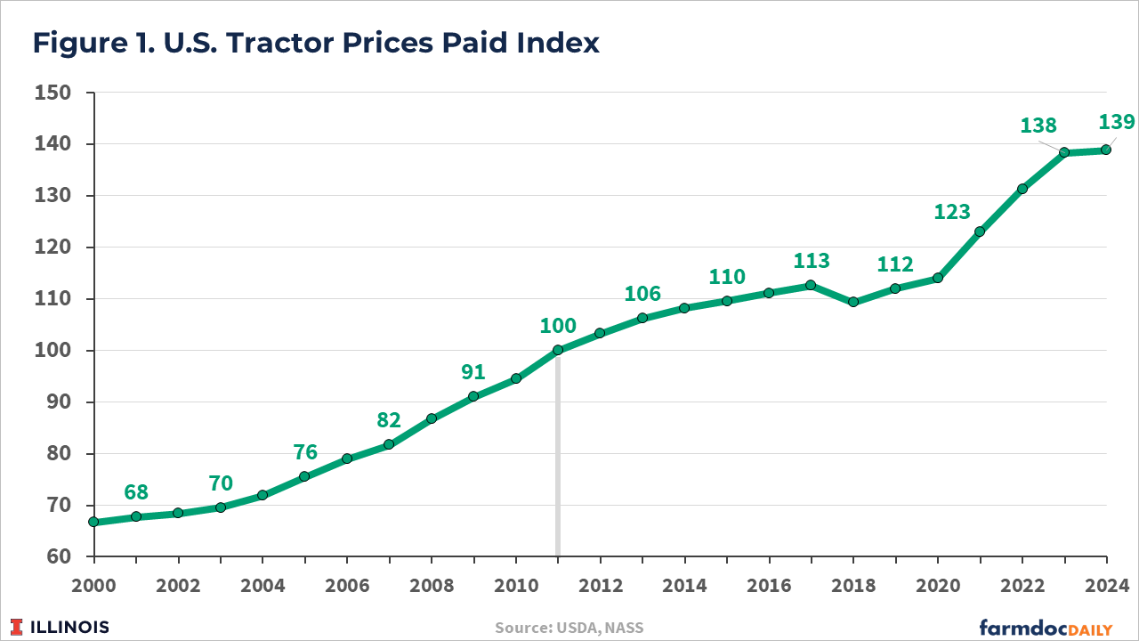

 | 2001 | 2011 | 2021 | 2015 | 2021
Nominal tractor price index | 68 | 100 | 123 | 110 | 131
CPI | 177.1 | 224.939 | 270.97 | 237.017 | 270.97
CPI indexed to 2000 | 1 | 1.2701242236 | 1.5300395257 | 1 | 1.143251328
Real tractor price index | 68 | 78.732456355 | 80.390080083 | 110 | 114.5854781

Real annual price growth: | 0.84% | per year |  | 0.68%

Elasticity: Δprice/Δeff | 1.53 |  |  | 0.89

Average elasticity: | 1.21

